ALU Logic
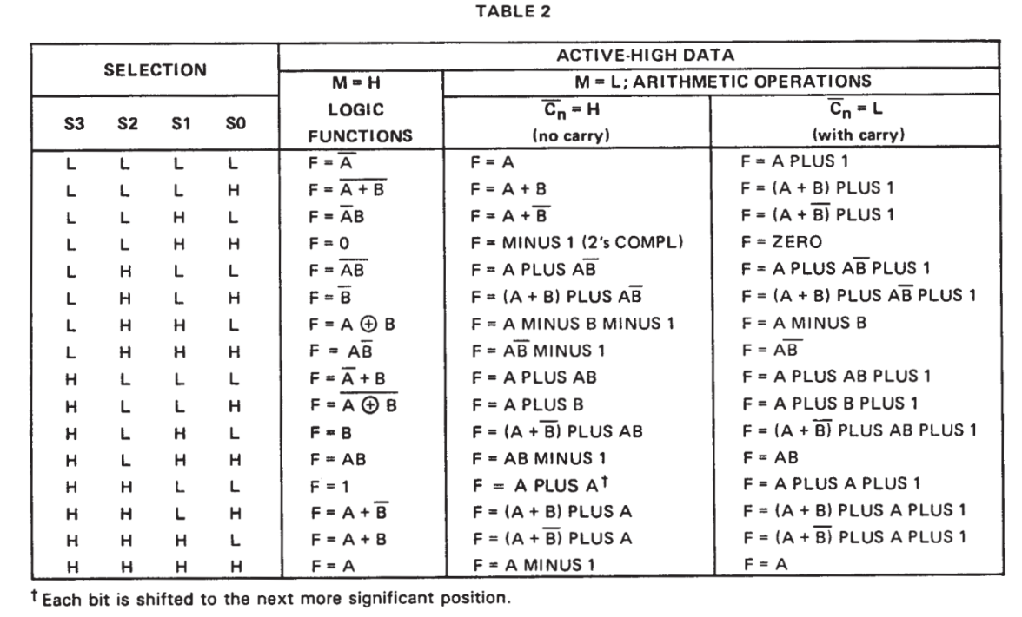
OPN | DECIMAL | BINARY
INC | 0 | 000000
ALU_A | 1 | 000001
NOT | 2 | 000010
ZERO | 12 | 001100
SUB | 24 | 011000
SBB | 25 | 011001
XOR | 26 | 011010
ADC | 36 | 100100
ADD | 37 | 100101
ALU_B | 42 | 101010
AND | 46 | 101110
SHL | 49 | 110001
OR | 58 | 111010
DEC | 61 | 111101

Memory Logic
Memory Truth Table
 | PLD Inputs |  |  | PLD Outputs |  |  |  |  |  | Memory Bus
Mode | RAM | MEM_CLK | #MEM_OE | #ROM_CE | #ROM_OE | #ROM_WE | #RAM_CE | #RAM_OE | #RAM_WE | ROM I/O | RAM I/O
Standby | X | L | H | H | H | H | H | H | H | High Z | High Z
ROM Read | L | L | L | L | L | H | H | H | H | Dout | High Z
RAM Read | H | L | L | H | H | H | L | L | H | High Z | Dout
RAM Write | H | H | H | H | H | H | L | H | L | High Z | Din

RAM

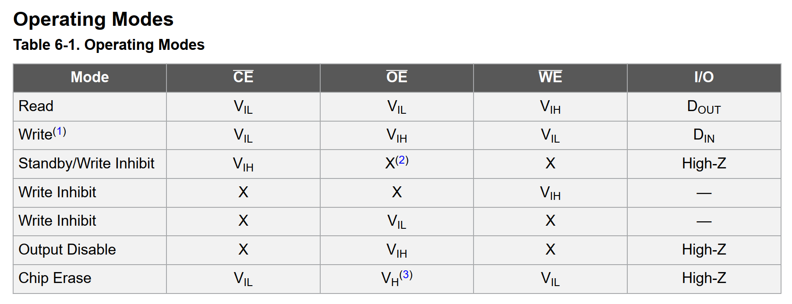
ROM

 | PLD Inputs |  |  | PLD Outputs |  |  |  |  |  | Memory Bus
Mode | RAM | MEM_CLK | #MEM_OE | !ROM_CE | !ROM_OE | !ROM_WE | !RAM_CE | !RAM_OE | !RAM_WE | ROM I/O | RAM I/O
Standby | X | !MEM_d | !MEM_oe | H | H | H | H | H | H | High Z | High Z
ROM Read | !RAM | !MEM_d | MEM_oe | L | L | H | H | H | H | Dout | High Z
RAM Read | RAM | !MEM_d | MEM_oe | H | H | H | L | L | H | High Z | Dout
RAM Write | RAM | MEM_d | !MEM_oe | H | H | H | L | H | L | High Z | Din

 |  |  |  | !ROM_CE = | !ROM_OE = | !ROM_WE = | !RAM_CE = | !RAM_OE = | !RAM_WE =
 |  |  |  | X & !MEM_d & !MEM_oe # | X & !MEM_d & !MEM_oe # | X & !MEM_d & !MEM_oe # | X & !MEM_d & !MEM_oe # | X & !MEM_d & !MEM_oe # | X & !MEM_d & !MEM_oe #
 |  |  |  |  |  | !RAM & !MEM_d & MEM_oe # | !RAM & !MEM_d & MEM_oe # | !RAM & !MEM_d & MEM_oe # | !RAM & !MEM_d & MEM_oe #
 |  |  |  | RAM & !MEM_d & MEM_oe # | RAM & !MEM_d & MEM_oe # | RAM & !MEM_d & MEM_oe # |  |  | RAM & !MEM_d & MEM_oe #
 |  |  |  | RAM & MEM_d & !MEM_oe # | RAM & MEM_d & !MEM_oe # | RAM & MEM_d & !MEM_oe # |  | RAM & MEM_d & !MEM_oe #

ISA Bus
TOP PCB SIDE |  | BOTTOM PCB SIDE
Pin | Name | Pin | Name
A1 | /I/O CH CK | B1 | GND
A2 | D7 | B2 | RESET
A3 | D6 | B3 | +5V
A4 | D5 | B4 | IRQ2
A5 | D4 | B5 | -5VDC
A6 | D3 | B6 | DRQ2
A7 | D2 | B7 | -12VDC
A8 | D1 | B8 | /NOWS
A9 | D0 | B9 | +12VDC
A10 | I/O CH RDY | B10 | GND
A11 | AEN | B11 | /SMEMW
A12 | A19 | B12 | /SMEMR
A13 | A18 | B13 | /IOW
A14 | A17 | B14 | /IOR
A15 | A16 | B15 | /DACK3
A16 | A15 | B16 | DRQ3
A17 | A14 | B17 | /DACK1
A18 | A13 | B18 | DRQ1
A19 | A12 | B19 | /REFRESH
A20 | A11 | B20 | CLOCK
A21 | A10 | B21 | IRQ7
A22 | A9 | B22 | IRQ6
A23 | A8 | B23 | IRQ5
A24 | A7 | B24 | IRQ4
A25 | A6 | B25 | IRQ3
A26 | A5 | B26 | /DACK2
A27 | A4 | B27 | T/C
A28 | A3 | B28 | ALE
A29 | A2 | B29 | +5V
A30 | A1 | B30 | OSC
A31 | A0 | B31 | GND

32 |  |  |  |  |  |  |  | 32
ESP Command | ESP_Data | XT_Addr | XT_Data | XT_Info | XT_Ctl | Other |  | ESP Command | ESP_Data | XT_Addr | XT_Data | XT_Info | XT_Ctl | Other
ESP_CMD0 | ESP_Data0 | XT_Addr0 | XT_Data0 | IRQ2 |  | CLK |  | ESP_CMD0 | ESP_Data4 | XT_Addr4 | XT_Data4 | IRQ6 | /IOR | CLK
ESP_CMD1 | ESP_Data1 | XT_Addr1 | XT_Data1 | IRQ3 |  | RESET |  | ESP_CMD1 | ESP_Data5 | XT_Addr5 | XT_Data5 | IRQ7 | /IOW | DATA_DIR
ESP_CMD2 | ESP_Data2 | XT_Addr2 | XT_Data2 | IRQ4 |  |  |  | ESP_CMD2 | ESP_Data6 | XT_Addr6 | XT_Data6 | I/O CH RDY | /MEMR | RESET
ESP_CMD3 | ESP_Data3 | XT_Addr3 | XT_Data3 | IRQ5 |  |  |  | ESP_CMD3 | ESP_Data7 | XT_Addr7 | XT_Data7 |  | /MEMW | DATA_OE
ESP_CMD |  | XT_Addr8 |  | I/O CH RDY |  |  |  | ESP_CMD |  | XT_Addr12
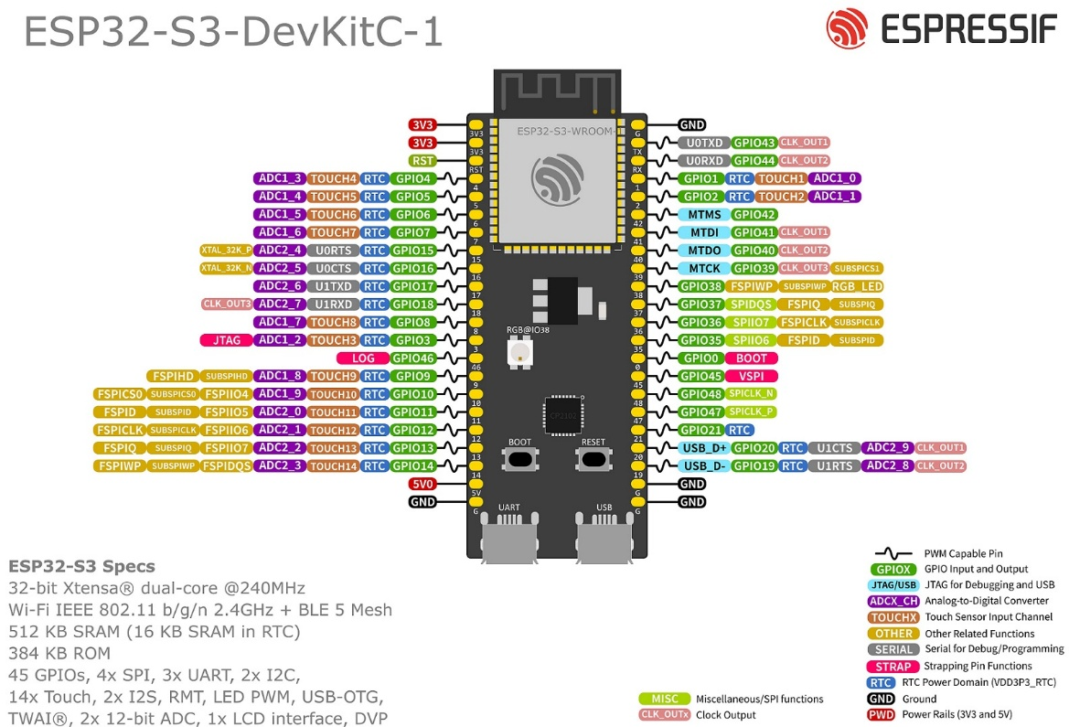
 |  | XT_Addr9 |  |  |  |  |  |  |  | XT_Addr13
 |  | XT_Addr10 |  |  |  |  |  |  |  | XT_Addr14
 |  | XT_Addr11 |  |  |  |  |  |  |  | XT_Addr15
 |  | XT_Addr16
 |  | XT_Addr17
 |  | XT_Addr18
 |  | XT_Addr19

ATF1504 PLCC44 |  | PLD1 | PLD2

1 | GCLR / I | RESET |  | ESP_CMD0 | ESP_Data0 | XT_Addr0 | XT_Data0 | IRQ2 |  | XT_CLK
2 | GCLK2 / OE2 / I | CLK |  | ESP_CMD1 | ESP_Data1 | XT_Addr1 | XT_Data1 | IRQ3 |  | RESET
3 | VCC |  |  | ESP_CMD2 | ESP_Data2 | XT_Addr2 | XT_Data2 | IRQ4
4 | I/O |  |  | ESP_CMD3 | ESP_Data3 | XT_Addr3 | XT_Data3 | IRQ5
5 | I/O |  |  |  |  | XT_Addr8 |  | I/O CH RDY
6 | I/O |  |  |  |  | XT_Addr9
7 | TDI |  |  |  |  | XT_Addr10
8 | I/O |  |  |  |  | XT_Addr11
9 | I/O |  |  |  |  | XT_Addr16
10 | GND |  |  |  |  | XT_Addr17
11 | I/O |  |  |  |  | XT_Addr18
12 | I/O |  |  |  |  | XT_Addr19
13 | TMS
14 | I/O
15 | VCC
16 | I/O
17 | I/O
18 | I/O
19 | I/O
20 | I/O
21 | I/O
22 | GND
23 | VCC
24 | I/O
25 | I/O
26 | I/O
27 | I/O
28 | I/O
29 | I/O
30 | GND
31 | I/O
32 | TCK
33 | I/O
34 | I/O
35 | VCC
36 | I/O
37 | I/O
38 | TDO
39 | I/O
40 | I/O
41 | GLCK3 / I/O
42 | GND
43 | GLCK1 / I
44 | OE1 I

ESP32-S3 DevKit Pinout

Pin | GPIO | Function | Comment | Bank | PDR-32/XT
31 | GPIO00 | GPIO / boot strapping pin | Avoid | 0
41 | GPIO01 | GPIO / ADC1_CH0 |  | 0
40 | GPIO02 | GPIO / ADC1_CH1 |  | 0
13 | GPIO03 | GPIO / ADC1_CH2 | Avoid | 0
4 | GPIO04 | GPIO / ADC1_CH3 |  | 0 | ESP-D0
5 | GPIO05 | GPIO / ADC1_CH4 |  | 0 | ESP-D1
6 | GPIO06 | GPIO / ADC1_CH5 |  | 0 | ESP-D2
7 | GPIO07 | GPIO / ADC1_CH6 |  | 0 | ESP-D3
12 | GPIO08 | GPIO / ADC1_CH7 |  | 0 | ESP-D4
15 | GPIO09 | GPIO / ADC1_CH8 |  | 0 | ESP-D5
16 | GPIO10 | GPIO / ADC1_CH9 |  | 0 | ESP-D6
17 | GPIO11 | GPIO / ADC2_CH0 |  | 0 | ESP-D7
18 | GPIO12 | GPIO / ADC2_CH1 |  | 0
19 | GPIO13 | GPIO / ADC2_CH2 |  | 0
20 | GPIO14 | GPIO / ADC2_CH3 |  | 0
8 | GPIO15 | GPIO / ADC2_CH4 |  | 0
9 | GPIO16 | GPIO / ADC2_CH5 |  | 0
10 | GPIO17 | GPIO / ADC2_CH6 |  | 0
11 | GPIO18 | GPIO / ADC2_CH7 |  | 0
25 | GPIO19 | GPIO / USB D- |  | 0
26 | GPIO20 | GPIO / USB D+ |  | 0
27 | GPIO21 | GPIO |  | 0
32 | GPIO35 | GPIO |  | 1
33 | GPIO36 | GPIO |  | 1
34 | GPIO37 | GPIO |  | 1
35 | GPIO38 | GPIO |  | 1
36 | GPIO39 | GPIO |  | 1
37 | GPIO40 | GPIO |  | 1
38 | GPIO41 | GPIO |  | 1
39 | GPIO42 | GPIO |  | 1
43 | GPIO43 | GPIO / UART0 TX | Avoid | 1
42 | GPIO44 | GPIO / UART0 RX | Avoid | 1
30 | GPIO45 | GPIO / strapping pin | Avoid | 1
14 | GPIO46 | Input-only GPIO / strapping pin | Avoid | 1
28 | GPIO47 | GPIO |  | 1
29 | GPIO48 | GPIO |  | 1
1 |  | 3.3V
2 |  | 3.3V
3 |  | RESET / EN
21 |  | 5V / VBUS
22 |  | GND
23 |  | GND
24 |  | GND
44 |  | GND

